Key
Risk Register Scale
Probability | Almost certain | 5 | 15 | 25 | 35 | 45 | Key
 | Likely | 4 | 12 | 20 | 28 | 36 | High Risk | There is a chance that the organisation is not n the position to recover its operation in this event
 | Possible | 3 | 9 | 15 | 21 | 27 | Medium Risk
 | Unlikely | 2 | 6 | 10 | 14 | 18 | Low Risk
 | Rare | 1 | 3 | 5 | 7 | 9
 |  | Insignificant | Minor | Moderate | Major | Catatrophic
 | Impact

Stakeholder map and prioritisation

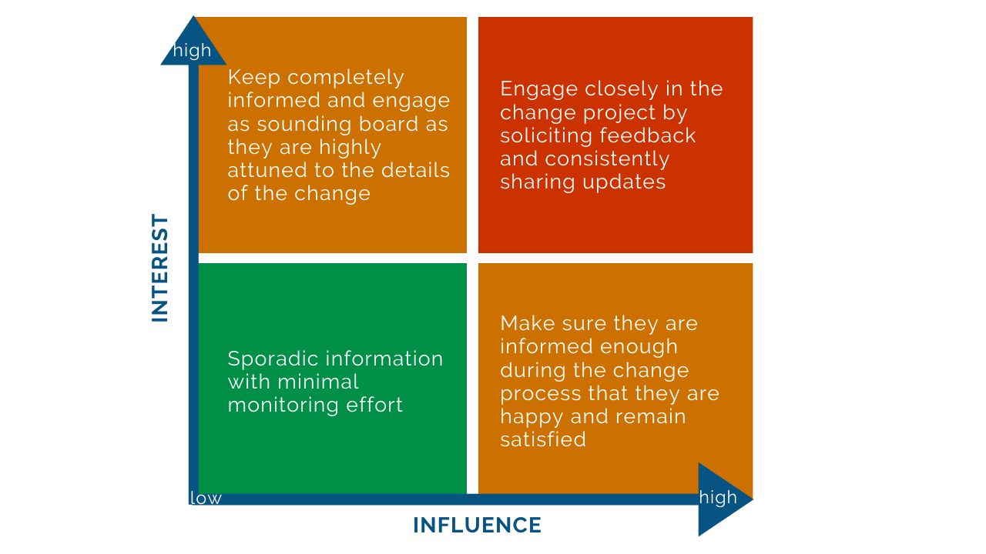
 |  |  |  |  |  |  | Key
 |  |  |  |  |  |  | Priority
 |  |  |  |  |  |  | High
 |  |  |  |  |  |  | Medium
 |  |  |  |  |  |  | Low

