Instructions
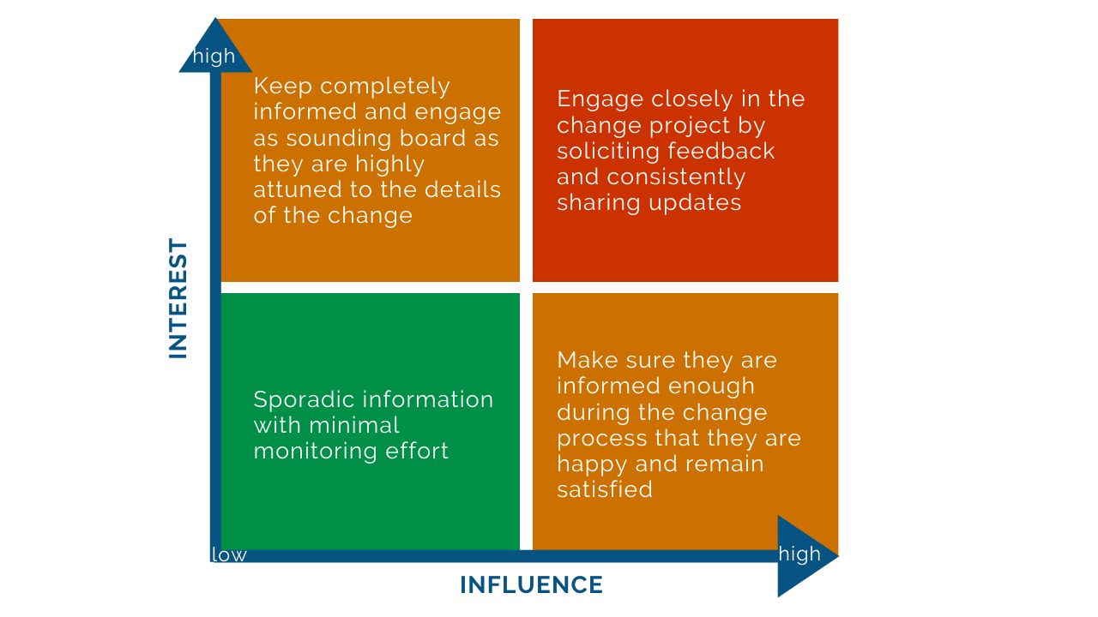
© 2020 Approach Services. All rights reserved. This template is copyright under the Copyright Act 1968. No part may be reproduced by any process without written permission of Approach Services, Suite 102, 37 Barrack Street, Perth WA 6000. For more templates that help you to lead change visit www.approach-services.com
Important terms |  | Title | Title | Title | Title | Title | Title | Title
Stakeholder analysis | An excercise used to identify the individuals in your organisation who will and will not support your change efforts.
Stakeholder map | Is a 2x2 chart prioritising stakeholders by their influence and interest and mapping these to their involvement needs.
Stakeholder interview | Is a brief conversation between you and the stakeholder to gauge their influence, interest and motivation in this change.The purpose is to co-sense the change goals and vision with the formal and informal network, improve connection and inolvement, collaboration, trust, buy-in and communication whilst gaining valuable insights and regular feedback.
Formal network | Is the official leadership defined by theorganisational chart
Informal network | Are the local influencers and those with extensive networks across the organisation.
Change advocate | Are well-connected people that promote the change and influence others
Super network | Includes your formal and informal network
Steps to identify your super network
1. List all stakeholders off your formal network in column A of your stakeholder map.
2. Contact each stakeholder to schedule and conduct a short 10 minutes stakeholder interview
3. Make sure to ask each stakeholder to list every other change advocate or local influencer that they know off
4. List every new name in column A and work iteratively through steps 2 and 3 again.
5. Prioritise each stakeholder after you analysed the interview
6. Finish when no new names are uncovered.
7. You can now use the stakeholder map to determine how you communicate to and involve these individuals during the change process.
Stakeholder map and prioritisation

